Removing 60min+
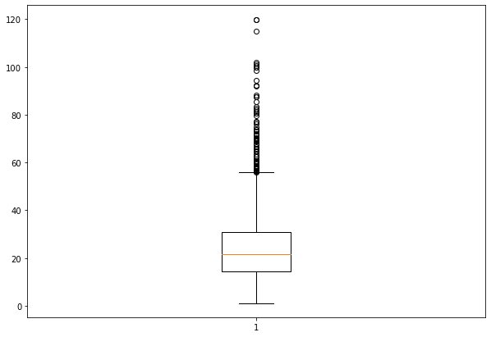
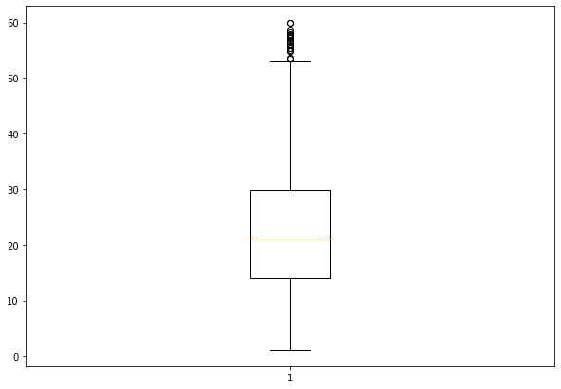
Linear | 12.48
Ridge | 12.48
RidgeCV | 12.48
Lasso | 12.53
SVM | 14.51
SVM RBF | 12.97
SVM Lin | 27.67
RF | 12.64
RF-MAE | 12.54

Removing <5min
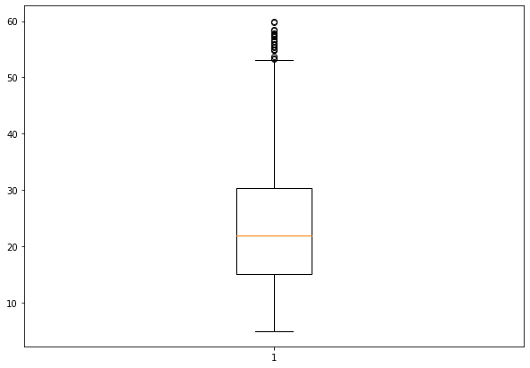
Linear | 11.68
Ridge | 11.68
RidgeCV | 11.68
Lasso | 11.72
SVM | 14.22
SVM RBF | 12.16
SVM Lin | 29.51
RF | 11.75
RF-MAE | 11.66

